Coating cost calc HQC
 |  |  |  | Calculation total coating cost - HQC vs Single hook

Total coating cost
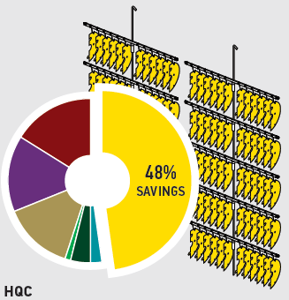
Line speed | 2.00 | m/min | << A
Hanging points per conveyor meter | 86 | pcs/m | << B
Line cost powder coating | 215 | €/h | << C
Cost per hanging point | 0.024 | €/pcs | << D
Powder cost | 0.022 | €/pcs | << E
Off-line Cost (prehanging/unloading) | 0.011 | €/pcs | << F
Total coating cost | 0.078 | €/pcs

Total coating cost - single hooks case | 0.150 | €/pcs

>> A Conveyor speed automatic line (m/min)

>> B Actual number of parts coated per conveyour meter

>> C Line cost (see detailed coating line cost)
Blue collar cost | 78 | €/h
Fixed line cost | 29 | €/h
Energy | 56 | €/h
Variable line cost | 10 | €/h
Productivity (line utilization) | 80%
Total | 215 | €/h

>> D Cost per hanging point
Purchase cost consumable (hook/insert/HQS,L,C ) | 1.0 | €/pcs
Number of hanging points (HQS,C,L) | 12
Number of time used | 4
Purchase cost frame,shaft (reused) | 7.5 | €/pcs
Lifte time cost cleaning, handling and transport | 0 | €/pcs
Number of time used (incl cleaning) | 120
Number of hanging points per hanger | 60
Cost hanging point | 0.022 | €/pcs

>> E Powder cost
Surface product + part hanger | 0.04 | m2
Powder thickness | 80 | my
Powder utilization | 90%
Density | 1.55
Price powder per kg | 4 | €/kg
Powder per pcs | 0.0220 | €/pcs

>> F Off-line cost
Blue collar cost X number of people | 19
Time to prehang | 0.56 | h
batch size | 1000
 | 0.011 | €/pcs

HQC 690X50-12 S90DV | 1 | €/pcs
HCS BH R58 39359 | 7.5 | €/pcs

Diagram data

Fixed line cost | 0.003 | 2.3%
Energy | 0.007 | 4.5%
Variable line cost | 0.001 | 0.8%
Blue collar | 0.020 | 13.6%
Powder | 0.022 | 14.6%
Cost hanging point | 0.024 | 16.0%
Saving | 0.072 | 48.1%
Comparison cost | 0.150 | 100.0%

Coating cost calc hook
 |  |  |  | Calculation total coating cost - old case

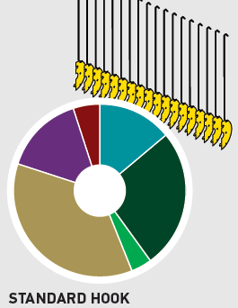
Total coating cost
Line speed | 2.00 | m/min | << A
Hanging points per conveyor meter | 14.8 | pcs/m | << B
Line cost powder coating | 215 | €/h | << C
Cost per hanging point | 0.007 | €/pcs | << D
Powder cost | 0.022 | €/pcs | << E
Off-line Cost (prehanging/unloading) |  | €/pcs | << F
Total coating cost | 0.150 | €/pcs

>> A Conveyor speed automatic line (m/min)

>> B Actual number of parts coated per conveyour meter

>> C Line cost (see detailed coating line cost)
Blue collar cost | 78 | €/h
Fixed line cost | 29 | €/h
Energy | 56 | €/h
Variable line cost | 10 | €/h
Productivity (line utilization) | 80%
Total | 215 | €/h

>> D Cost per hanging point
Purchase cost consumable (hook/insert/HQS,L,C ) | 0.020 | €/pcs
Number of hanging points (HQS,C,L) | 1
Number of time used | 3
Purchase cost frame,shaft (reused) | 0 | €/pcs
Lifte time cost cleaning, handling and transport | 0 | €/pcs
Number of time used (incl cleaning) | 1
Number of hanging points per hanger | 1
Cost hanging point | 0.007 | €/pcs

>> E Powder cost
Surface product + part hanger | 0.04 | m2
Powder thickness | 80 | my
Powder utilization | 90%
Density | 1.55
Price powder per kg | 4 | €/kg
Powder per pcs | 0.0220 | €/pcs

>> F Off-line cost
Blue collar cost X number of people | 150
Time to prehang | 0 | h
batch size | 10000
 | 0.000 | €/pcs

Diagram data

Fixed line cost | 0.020 | 13.5%
Energy | 0.039 | 26.2%
Variable line cost | 0.007 | 4.5%
Blue collar | 0.054 | 36.3%
Powder | 0.022 | 14.7%
Cost hanging point | 0.007 | 4.7%
Saving | 0.000 | 0.1%
Comparison cost | 0.15 | 100.0%

